Weekly Meal Planner 1
 | Weekly Meal Planner

 | BREAKFAST | LUNCH | DINNER | SNACK
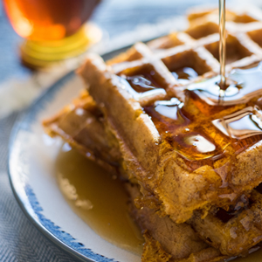 |  | 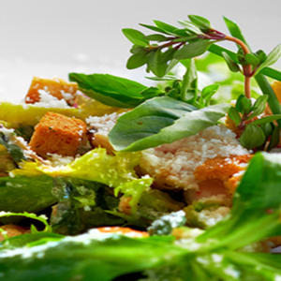 |  | 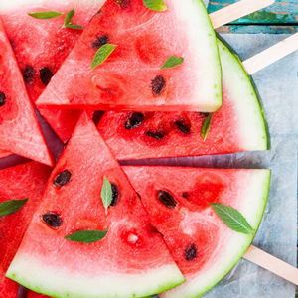
S | Bacon, eggs, and toast
M | Strawberry waffles
T | Huevos rancheros
W
T
F
S

